Sheet1
 |  | Document No. | Issue No. | Issue Date |  | Review and Replace Date |  | Authorised By
 |  | GFF417MC | 2 | 13.11.2023 |  | 24.02.2026 |  | Magda Shah
 |  | Document Title | GC- 15 Chicken Spring Roll (50G): 750G

Document amendments reason for change |  | Tray Product code changed | Page 1 of 1 |  | Previous Issue Date |  | 13.11.2023 | Uncontrolled copy unless signed original

CCSRM-B15X4T | Gazebo (BULK-SNACKS) |  | GC- 15 Chicken Spring Roll (50G): 750G
STEP 1 |  |  |  |  | STEP 2
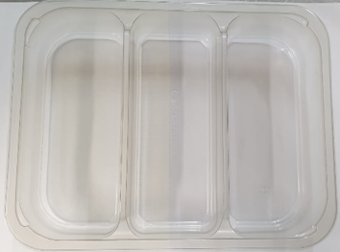 |  |  |  |  | 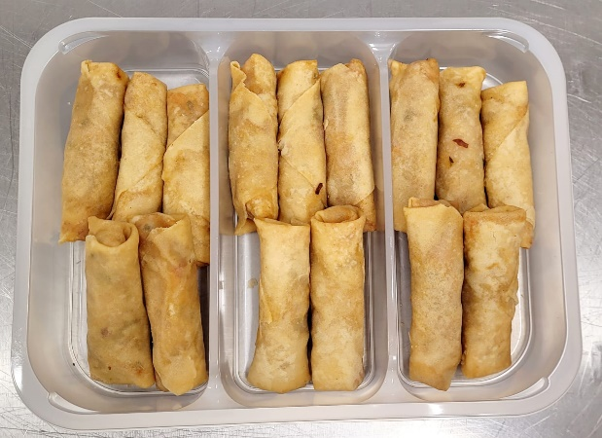

PACK DAY + 1 YEAR
GAS FLUSH

Tray:HW308/60 3 x CAVITY ECO - (PKESS001-10) |  |  |  |  | GC- 15 Chicken Spring Roll (50G)-: 750G -GFF007R
Film: K Peel RPSM 25µm (340mmX1000lmm) (PKKMP001-05)
STEP 3
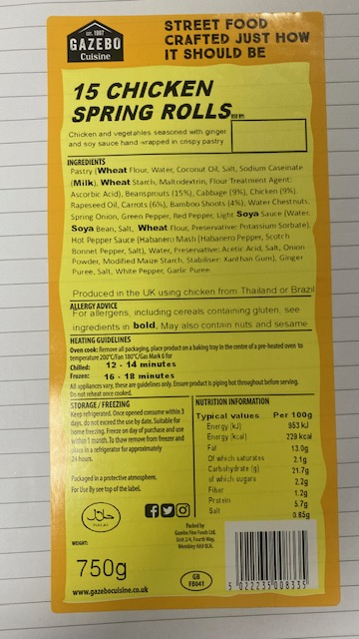

Label: - Inner barcode:8335
TOTAL WEIGHT: 750g

ALLERGY ALERT: Wheat, Soya, Milk

